Calculate MHO Test Points
Valence Electrical Training Services (https://relaytraining.com/)

How to calculate any point on an MHO circle with or without offset

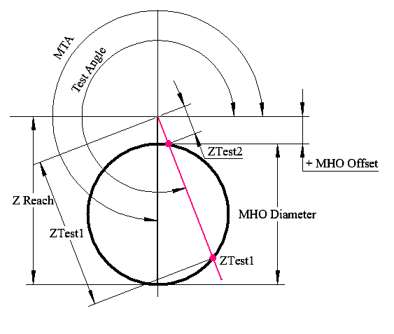
Description:
Calculating a point on an MHO circle is fairly straightforward if: • The edge of the MHO circle touches the origin • You know the diameter of the circle (Reach) • You know the Maximum Torque Angle (MTA)
You can to test on a normal line impedance MHO circle using basic cosine trigonometry to create a right angle triangle to any point on the circle you with the formula Test Impedance = Reach * cos(Test Angle° – MTA°).
This formula does not work for all test angles when the MHO circle has an offset, or its edge doesn’t touch the circle, as shown in the following diagram. You commonly find these elements when testing Loss of Field (40) elements in generator relays, or Out-Of-Step (78) elements. There are two possible answers for any test angle, which makes the math much more complex.
This spreadsheet will perform the math to find any point of the edge of a MTA circle. You can review the background formulas, or jump to the bottom of the page to get started. All of the angles in the calculations are Leading angles, like you would find on a Doble Test-set or Manta with default settings.

Enter your parameters in the green boxes. Calculations appear in the yellow boxes

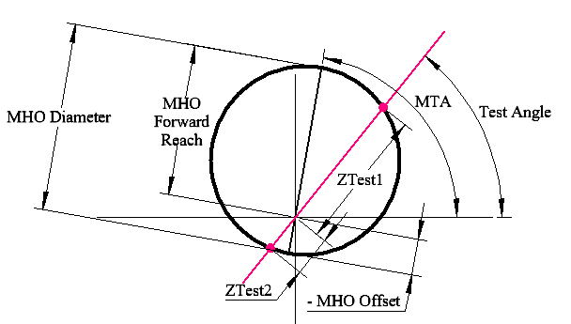
 | Input variables: |  |  |  |  |  | Graph |  |  |  | x | y
MHO Diameter: |  |  | 18.0 |  | unit |  |  |  |  | 0 | 9.0 | -11.0
MTA: |  |  | 270 |  | deg Lead |  |  |  |  | 1 | 8.5 | -7.9
MHO Offset: |  |  | 2.0 |  | unit |  |  |  |  | 2 | 6.9 | -5.2
Test Angle : |  |  | 300 |  | deg Lead |  |  |  |  | 3 | 4.5 | -3.2
 |  |  |  |  |  |  |  |  |  | 4 | 1.6 | -2.1
 | Solution: |  |  |  |  |  |  |  |  | 5 | -1.6 | -2.1
 | ZTest1 = |  | 16.650 |  |  | Ohms |  |  |  | 6 | -4.5 | -3.2
 | ZTest2 = |  | 2.402 |  |  | Ohms |  |  |  | 7 | -6.9 | -5.2
 |  |  |  |  |  |  |  |  |  | 8 | -8.5 | -7.9
 | Graph's points |  |  |  |  |  |  |  |  | 9 | -9.0 | -11.0
 | Zoffset |  |  | Ztest1 |  | 16.65 |  |  |  | 10 | -8.5 | -14.1
 | x | y |  | x |  | y |  |  |  | 11 | -6.9 | -16.8
 | 0.0 | 0.0 |  | 0.0 |  | 0.0 |  |  |  | 12 | -4.5 | -18.8
 | 0.0 | -2.0 |  | 8.3 |  | -14.4 |  | 8.3 | -14.4 | 13 | -1.6 | -19.9
 | Zreach |  |  | Ztest2 |  | 2.40 |  | FALSE |  | 14 | 1.6 | -19.9
 | x | y |  | x |  | y |  |  |  | 15 | 4.5 | -18.8
 | 0.0 | -2.0 |  | 0.0 |  | 0.0 |  |  |  | 16 | 6.9 | -16.8
 | 0.0 | -20.0 |  | 1.2 |  | -2.1 |  | 1.2 | -2.1 | 17 | 8.5 | -14.1
 | x0 = |  | 0.0 |  | unit |  |  | TRUE |  | 18 | 9.0 | -11.0
 | y0 = |  | -11.0 |  | unit |  |  |  |  | 0 | 9.0 | -11.0

Calculation Details
Valence Electrical Training Services

How to calculate any point on an MHO circle with or without offset

Description:
Calculating a point on an MHO circle is fairly straightforward if: • The edge of the MHO circle touches the origin • You know the diameter of the circle (Reach) • You know the Maximum Torque Angle (MTA)
You can to test on a normal line impedance MHO circle using basic cosine trigonometry to create a right angle triangle to any point on the circle you with the formula Test Impedance = Reach * cos(Test Angle° – MTA°).
This formula does not work for all test angles when the MHO circle has an offset, or its edge doesn’t touch the circle, as shown in the following diagram. You commonly find these elements when testing Loss of Field (40) elements in generator relays, or Out-Of-Step (78) elements. There are two possible answers for any test angle, which makes the math much more complex.
This spreadsheet will perform the math to find any point of the edge of a MTA circle. You can review the background formulas, or jump to the bottom of the page to get started. All of the angles in the calculations are Leading angles, like you would find on a Doble Test-set or Manta with default settings.
Basis for Calculations (Zreach should really be called Zdiameter)
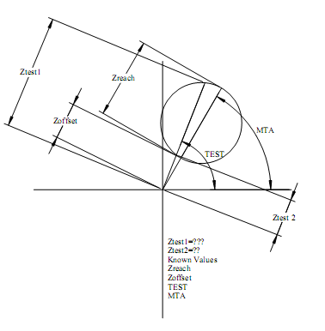

 | Input variables: |  |  |  |  |  |  |  |  |  | Constraints:

 | Solving:
 |  | From circumference equation and Ztest line equation we obtain

 |  |  |  |  |  |  |  |  |  |  |  |  |  |  | E

 |  | Rewriten x-equation using input variables we obtain

 |  | Solving x-equation and applying this result in y-equation we obtain

 | Solution:
 |  | Then, if the results above are real numbers, it will be possible to obtain Ztest from

 |  | Ztest values only will be a solution if Xtest and Ytest values are on circumference line, which can be checked by

 |  | The auxiliary a-values comes from that if (0,0)-point is inside the circumference then Ztest1 and Ztest2 will be in opposite phases, otherwise they will be in phase.

Enter your parameters in the green boxes. Calculations appear in the yellow boxes

 |  | Input variables: |  |  |  |  |  | Graph |  |  |  |  | x | y
MHO Diameter: |  |  |  | 18.0 |  | unit |  |  |  |  |  | 0 | 9.0 | -11.0
MTA: |  |  |  | 270 |  | deg Lead |  |  |  |  |  | 1 | 8.5 | -7.9
MHO Offset: |  |  |  | 2.0 |  | unit |  |  |  |  |  | 2 | 6.9 | -5.2
Test Angle : |  |  |  | 300 |  | deg Lead |  |  |  |  |  | 3 | 4.5 | -3.2
 |  |  |  |  |  |  |  |  |  |  |  | 4 | 1.6 | -2.1
 |  | Solution: |  |  |  |  |  |  |  |  |  | 5 | -1.6 | -2.1
 |  | ZTest1 = |  | 16.650 |  |  | Ohms |  |  |  |  | 6 | -4.5 | -3.2
 |  | ZTest2 = |  | 2.402 |  |  | Ohms |  |  |  |  | 7 | -6.9 | -5.2
 |  |  |  |  |  |  |  |  |  |  |  | 8 | -8.5 | -7.9
 |  | Graph's points |  |  |  |  |  |  |  |  |  | 9 | -9.0 | -11.0
 |  | Zoffset |  |  | Ztest1 |  | 16.65 |  |  |  |  | 10 | -8.5 | -14.1
 |  | x | y |  | x |  | y |  |  |  |  | 11 | -6.9 | -16.8
 |  | 0.0 | 0.0 |  | 0.0 |  | 0.0 |  |  |  |  | 12 | -4.5 | -18.8
 |  | 0.0 | -2.0 |  | 8.3 |  | -14.4 |  | 8.3 | -14.4 |  | 13 | -1.6 | -19.9
 |  | Zreach |  |  | Ztest2 |  | 2.40 |  | FALSE |  |  | 14 | 1.6 | -19.9
 |  | x | y |  | x |  | y |  |  |  |  | 15 | 4.5 | -18.8
 |  | 0.0 | -2.0 |  | 0.0 |  | 0.0 |  |  |  |  | 16 | 6.9 | -16.8
 |  | 0.0 | -20.0 |  | 1.2 |  | -2.1 |  | 1.2 | -2.1 |  | 17 | 8.5 | -14.1
 |  | x0 = |  | 0.0 |  | unit |  |  | TRUE |  |  | 18 | 9.0 | -11.0
 |  | y0 = |  | -11.0 |  | unit |  |  |  |  |  | 0 | 9.0 | -11.0

SEL-321
Example

